Hieranchical
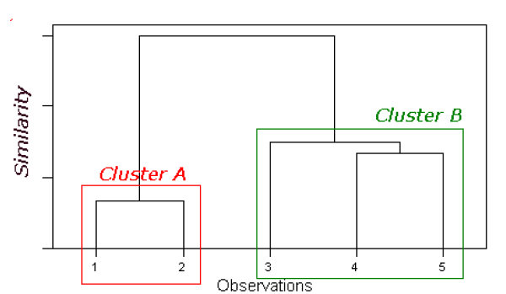
Scatter plot | V1 | V2 | Euclidean Distance | 1 | 2 | 3 | 4 | 5
1 | 1 | 1 | 1 | 0
2 | 2 | 1 | 2 | 1.0 | 0
3 | 4 | 5 | 3 | 5.0 | 4.5 | 0
4 | 7 | 7 | 4 | 8.5 | 7.8 | 3.6 | 0
5 | 5 | 7 | 5 | 7.2 | 6.7 | 2.2 | 2 | 0

Scatter plot
 |  |  |  | 1. Merge 1 & 2 into cluster A
 |  |  |  | 2. Use single linkage to compute distances from cluster A

 |  |  |  |  | A | 3 | 4 | 5
 |  |  |  | A | 0
 |  |  |  | 3 | 4.5 | 0
 |  |  |  | 4 | 7.8 | 3.6 | 0
 |  |  |  | 5 | 6.7 | 2.2 | 2 | 0

 |  |  |  | Merge 4 and 5 |  | A | 3 | B | Merge 3 & B
 |  |  |  |  | A | 0 |  |  |  | A | B
 |  |  |  |  | 3 | 4.5 | 0 |  | A | 0
 |  |  |  |  | B | 6.7 | 2.2 | 0 | B | 4.5 | 0

K-means
Scatter plot | V1 | V2 |  |  |  |  |  |  | Compute Euclidean distance of each record from each centroid, and re-assign to closest cluster
1 | 1 | 1 | A |  |  | X | Y
2 | 2 | 1 | A | Centroid | A | 2.3333333333 | 2.3333333333 | Initial |  | Cluster A | Cluster B | Centroid which is at min distance | Match with initial alignment
3 | 4 | 5 | A | Centroid | B | 6 | 7 | A | Item1 | 1.89 | 7.81 | A | Match
4 | 7 | 7 | B |  |  |  |  | A | Item2 | 1.37 | 7.21 | A | Match
5 | 5 | 7 | B |  |  |  |  | A | Item3 | 3.14 | 2.83 | B | Not a Match
Scatter plot
 | Scatter plot
1 | 1
2 | 1
4 | 5
7 | 7
5 | 7
 |  |  |  |  |  |  |  | B | Item4 | 6.60 | 1.00 | B | Match
 |  |  |  |  |  |  |  | B | Item5 | 5.37 | 1.00 | B | Match

 |  |  |  |  |  |  |  | Centroid
 |  |  |  |  |  |  |  | A | 1.5 | 1
 |  |  |  |  |  | 1.5 | 1 | B | 6.3333333333 | 6.3333333333
 |  |  |  |  |  | 5.3333333333 | 6.3333333333

 |  |  |  |  |  |  |  | A | Item1 | 0.50 | 6.87 | A | Match
 |  |  |  |  |  |  |  | A | Item2 | 0.50 | 6.29 | A | Match
 |  |  |  |  |  |  |  | B | Item3 | 4.72 | 1.89 | B | Match
 |  |  |  |  |  |  |  | B | Item4 | 8.14 | 1.80 | B | Match
 |  |  |  |  |  |  |  | B | Item5 | 6.95 | 0.75 | B | Match

